Nipponbare japonica dataset
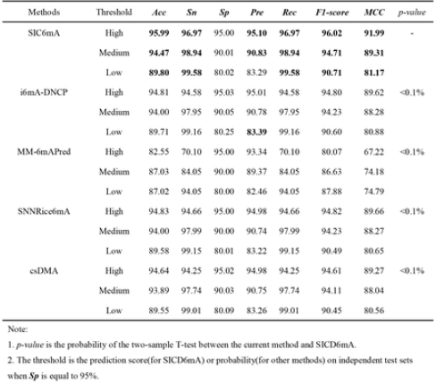
Nipponbare japonica dataset
Source paper | SICD6mA: Identifying 6mA Sites using Deep Memory Network
Download link | https://github.com/lwzyb/SICD6mA
Organism | rice
Level | DNA
Length | 41
Positive data | 380650
Negative data | 380650
DL paper used this data | P10 | SICD6mA | 2020-03-12 | P10

Human dataset
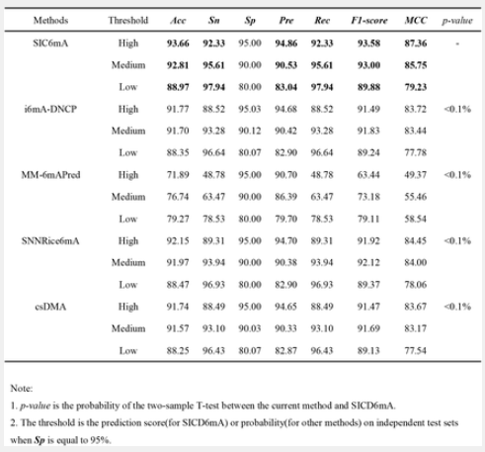
Human dataset
Source paper | SICD6mA: Identifying 6mA Sites using Deep Memory Network
Download link | https://github.com/lwzyb/SICD6mA
Organism | Human
Level | DNA
Length | 41
Positive data | 614856
Negative data | 614856
DL paper used this data | P10 | SICD6mA | 2020-03-12 | P10

